1. Pre Processing
Sl. No. | Title | Actions | Summary | Charts
1 | Pre processing | Load Data
 |  | Check for null values and dtypes | Null values 1. Sold_premium (missing 6876) - Which has only values where we won the order. So, it should match with the no. of values in the 1s of Sale_flag --> Check that with query. 2. Purchase_Price (missing 1 value) 3. plan_count, plansactive_lastyear_count and planscancelled_lastyear_count (missing 41) 4. claims_count and claim_amount (missing 1149) Data types 1. offerdate and purchase_date --> change it to datetime 2. age --> change it to int32 3. plan_count, plansactive_lastyear_count and planscancelled_lastyear_count --> change it to int32
1.1 | Handling data types | changing the dates (offerdate and purchase_date) to datetime
 |  | changing the age from object to int32
 |  | changing the counts (plan_count, plansactive_lastyear_count, planscancelled_lastyear_count and claims_count) to Int32
 |  | Statistical summary of numeric columns
1.2 | Handling Missing Values | identify missing values and its percentage on the full data
 |  | Address the sold_premium (77% missing) | The missing values in sold_premium correspond to orders that were not won, where sale_flag is 0. We ran a query between sale_flag and sold_premium, and everything matches as expected. The missing values in sold_premium represent lost orders, and these can either remain as NaNs or be replaced with 0 to indicate no sale.
 |  | Address missing values in plan_counts, plansactive_lastyear_count, planscancelled_lastyear_count (4.5% missing) | from correlation chart and by visually seeing and playing around with filters in the excel, I found that the missing values for the count are zero. # plan_count: ## The plan_flag being zero indicates that there are no active plans, and thus, all the corresponding plan_count values should logically be zero. # plansactive_lastyear_count & planscancelled_lastyear_count: ##When filtering the data for rows where plan_flag, claims_count, and claim_amount are all zero, we get 6,503 rows. Among these, 6,364 rows have plansactive_lastyear_count and planscancelled_lastyear_count as zero, and only 98 rows have values between 1 and 12 (which represents just 1.5% of the total). Given this small proportion and the fact that 75% of the values are zero, it makes sense to impute the 41 missing values for these columns as zero
 |  | missing value - purchase_price ( only one value) | Filtering Attempts: Itemname 24 and Brandname 123: After filtering for itemname 24 and brandname 123, we found that this particular item from the brand was sold only once, which limits further analysis based on this combination. Base Rate and Offered Premium: Next, we filtered by the base_rate and offered_premium, which are closely related to the purchase_price. Upon inspection, for rows where itemcategoryname_enc is 24 across all four records, we decided to take the average purchase price for that group as a representative value.
 |  | claims_count and amount (13% missing) | Chart Insights: From the chart, it’s evident how critical it is to address the missing values in claims_count, as 1+ claims account for 8.89% of the data, while the missing values represent 12.96%. This disparity indicates that simply using a median or mean imputation could distort the dataset. Imputation Approach: After exploring the data visually in Excel and applying various filters, we found that grouping by plan_flag and taking the median within each group should be an effective imputation strategy. This method will help preserve the variable's distribution without introducing too much bias. If needed, a more sophisticated model-based imputation could be explored to ensure the missing values are filled in a way that better reflects underlying patterns in the data. | 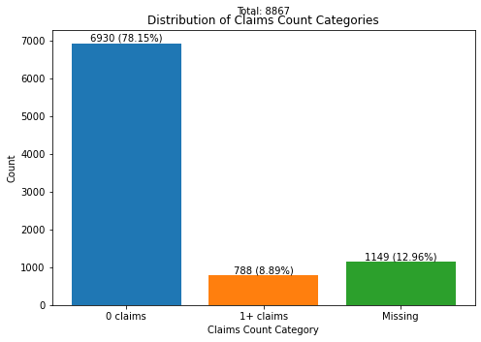 | 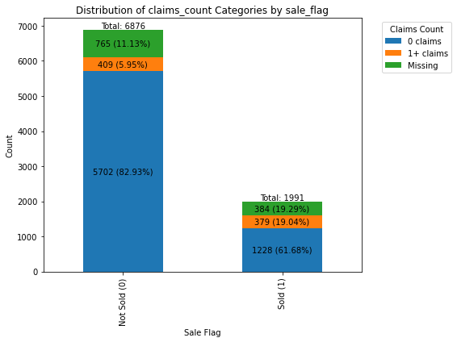 | 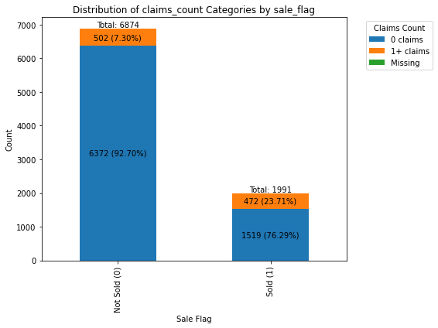
1.3 | Handling duplicates | there are 2 dupilcate rows | checked and deleted

2.a EDA
Sl. No. | Title | Actions | Summary | Charts
2.a | EDA - a) Explore the dataset and conduct any EDA that you feel will help you understand the data.
 | EDA 1 | describe all the numerical variables (describe()) | # Study the count, mean, std, min, 25%, 50%, 75% and max for all the numeric variables
 | EDA 1 | Distribution of numeric variables | # from this violin plots we understand the distribution, outliers of each and every numeric values. Visual insights from the violin plot: # Maximum no. of offerd_premium is around 50.00, second highest peak at 77.00 and followed by 37.00 # Age is from -37 to 1200. # claim_amount is mostly 0 and there are outliers like 10,000 pounds which was cross verified with the claim_counts which is having max 30 claims for last year. So its valid data, left it as such. # price_diff is from -30% to +30% with peak around 0. # base_rate - the peak is around 47.00 pounds and followed by second peak 65.00 pounds.
 | EDA 1 | Correlation Analysis for continuous variables | understood relationship between each and every continuous variable. Key insight: # offered_premium is having 0.34 correlation with purchase_price # predictedconversionrate is 0.13 correlated with claim_amount and 0.2 with age # the other highly corelated values are because of logical derivations from one another (say, offered_premium * price_diff = offered premium)
 | EDA 1 | Distribution of categorical and count variables | Understood the distribution of categorical and count variables in the data. Key insight: # pricing_point distribution is (ASIS is13%, @23 is 43%, @22 is 44%) # sale_flag distribution is sold - 22.5% and Not sold - 77.5% # claim_count - the highest value is 30 and there are few higher values which was investigated for outliers and comparing with respective claim amounts it seems to be geniune claims by the customer, which is a threat to the business. Need to be addressed. |  | 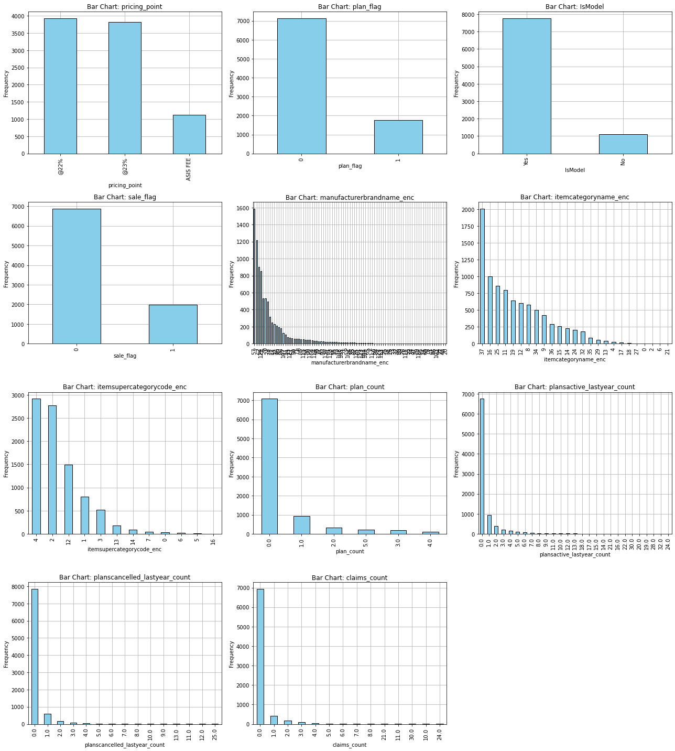
 | EDA 1 | Temporal Analysis | ploted offered_premium count and sale_flag count with offered and sold premium mean with the offered dates to see how the data is temporally aligned. Key Insight: Missing Data on Specific Dates: There are entire rows of missing data for March 19 and April 17, 18, and 22. No offers were floated, and no orders were won on these dates, which is highly unlikely. This suggests that the data is missing from the source, and further attention is needed to address this issue during data sourcing. Offer and Sale Conversion Trends: Offer and sale conversions peak on Mondays and gradually decrease throughout the week, with the lowest activity observed on Saturdays and Sundays.
 | EDA 2 | more focused on the target variable Pricing Strategy (pricing_point) vs Sale Flag (sale_flag): | The chart shows the conversion rates for the three pricing strategies: # @22% (22.0%): This pricing strategy yields a 22.0% conversion rate. # @23% (22.7%): A slight improvement over @22%, with a 22.7% conversion rate. # ASIS Fee (23.3%): The ASIS fee strategy has the highest conversion rate at 23.3%. Key Insight: # Contrary to expectations, the ASIS Fee strategy, the standard pricing approach, has the highest conversion rate. # The @22% and @23% optimized strategies, while showing minor differences, fall slightly behind the ASIS fee strategy. # Further investigation is needed to understand why the ASIS pricing, despite being conventional, outperforms the model-based strategies in terms of conversion rates
 | EDA 2 | numeric variables vs target variables-pricing_point & sale_flag | The distribution of all the numeric variables being nearly identical, except for price_diff and claim_amount, indicates that there is no significant difference in most of the numeric variables with respect to the pricing_point and sale_flag. However, the variables price_diff and claim_amount do provide meaningful insights: Price Diff: # For the @22% model, the distribution is skewed towards positive price differences, peaking at 0.3, followed by another peak around 0.1. Importantly, the order winning also peaks at 0.3, indicating that this model has stretched its pricing upwards, yet managed to win a decent number of orders in this range. This suggests that the @22% model has been more aggressive with its pricing adjustments and has been successful at these higher price differences. # On the other hand, the @23% model appears to be more conservative, with a peak at 0.1 and a wider spread ranging from -0.2 to 0.3. This indicates that the @23% model has been less aggressive in terms of price hikes but has been less focused, which might explain why it hasn't performed as well as @22% in terms of winning orders. Claim Amount: # The @23% model has targeted customers with higher claim amounts, but it has failed to convert these offers into sales, as indicated by the cluster of rejected offers at higher claim amounts. # In contrast, the @22% model has been more successful in targeting mid-to-high claim amount customers, where it has won orders. This suggests that for customers with higher claim amounts, the @22% model is offering more attractive pricing that results in conversions, while the @23% model is losing orders in this customer segment. | 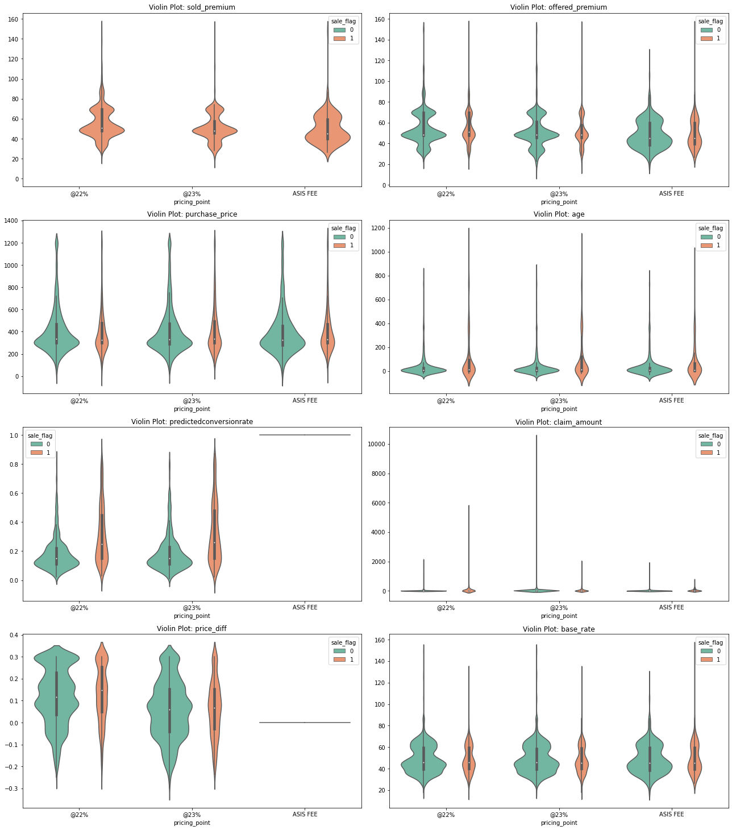
 | EDA 2 | numeric variables vs target variables-pricing_point & sale_flag | Summary: # The @22% model has been more successful at higher price differences (peaking at 0.3) and has managed to convert more customers, particularly those with mid-to-high claim amounts. # The @23% model has been more conservative in terms of price adjustments, which might be why it hasn’t performed as well in converting orders. Additionally, its failure to convert customers with high claim amounts suggests that it may not be pricing these customers effectively. # In conclusion, @22% is performing better for high claim amount customers and in terms of higher price differences, while @23% is losing orders, especially in the high claim amount segment.
 | EDA 2 | price_diff vs sale_flag vs pricing_point | Inferences: # @22% pricing strategy seems to perform well with small positive price differences (around 0.2), converting a good number of sales. # @23% strategy struggles with higher price differences, losing more orders, especially when the price_diff exceeds 0.1.
 | EDA 2 | claim_amount vs sale_flag vs pricing_point | Claim Amount ≤ 100 Pounds: # Both @22% and @23% strategies perform similarly, with nearly equal won and lost orders. Claim Amount 100-300 Pounds: # @22% strategy performs strongly, winning 800+ orders with very few lost. # @23% strategy struggles, losing ~3,000 orders and winning only ~20. Claim Amount Above 300 Pounds: # @22% continues to outperform, while @23% sees more losses. Conclusion: @22% pricing strategy outperforms @23% for claim amounts beyond 100 pounds. @22% seems more appealing to customers with higher claim amounts, while @23% pricing leads to more lost orders, likely due to being less competitive at these higher claim amounts. This provides clear evidence that @22% pricing is more effective in higher claim amount ranges, making it the better choice when targeting customers with larger claims.
 | EDA 2 | plan_flag vs target variables-pricing_point & sale_flag | Conversion Rate Analysis: The conversion rate for customers with a plan is 813 out of 935 (approximately 87%), which is significantly higher than for customers without a plan, where only 1,178 out of 5,939 offers (approximately 20%) resulted in a sale. This highlights that customers with an active plan are far more likely to convert into a sale compared to those without one. Pricing Strategy Distribution: The distribution of pricing strategies (@22%, @23%, and ASIS FEE) is similar across both groups (plan_no and plan_yes). There is no clear indication from this chart that one pricing strategy consistently outperforms the others for either group. | 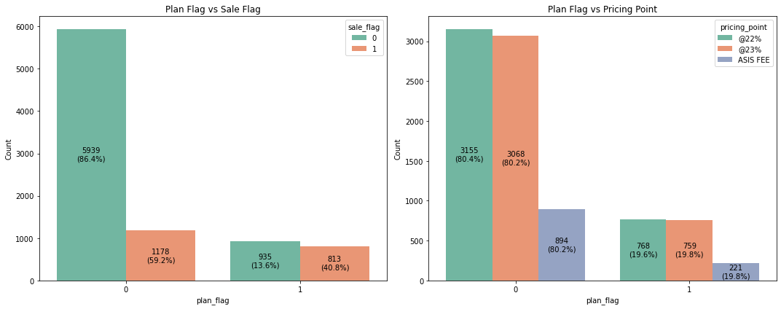
 | EDA 2 | plan_count vs target variables-pricing_point & sale_flag | Key Insights fromplan_count Analysis: # Conversion rates are lowest for customers with 0 plans (around 20%) and increase significantly as the number of plans grows. # Customers with 1 plan have a conversion rate of approximately 40%, and those with 5 plans show conversion rates nearing 60%. # This trend is consistent across all pricing strategies (@22%, @23%, and ASIS FEE), indicating that plan_count is a strong influencer of conversion rate, with more plans correlating with higher sales success.
 | EDA 2 | claims_count vs target variables-pricing_point & sale_flag | Key Insights from claims_count Analysis: # Conversion rates for customers with 0 claims hover around 20% but significantly increase to 50% for customers with 1 claim. # The trend generally continues upward, although there are occasional dips in smaller groups with fewer data points. # Regardless of the pricing strategy (@22%, @23%, and ASIS FEE), conversion rates tend to rise as claims_count increases, indicating that claims_count is a key factor in driving sales conversions.
 | EDA 2 | Item category vs sale_flag vs pricing_point | Analysis of Item Category and Supercategory: #Conversion rates for groups with substantial customer counts hover around 20%, with occasional dips in smaller, low-frequency groups. # Across all pricing strategies (@22%, @23%, and ASIS FEE), the distribution for heavy customer groups appears similar. # This indicates that there is no significant difference in conversion rates between pricing strategies based on item category or supercategory, suggesting that these factors do not heavily influence pricing-point performance.
 | EDA 2 | predictedconversionrate vs actual conversion rate predictedconversionrate - assumed to be the predicted conversion rate given by the model. Lets see how the model has predicted the conversions. Is there any relevance to the actual conversion | Based on the analysis: For @22%, the MAE is 0.293, and the RMSE is 0.386. For @23%, the MAE is 0.300, and the RMSE is 0.391. # This suggests that both models have similar performance, with the @22% model having a slightly lower error.
 | EDA 2 | For easy visualisation, we bin the predicted conversion into 10 bins and see how it is behaving actually. | This visualization helps in comparing the performance of different pricing strategies across various prediction ranges. The sample size of each bin is highlighted. From this, # we understood the acutal conversions against the predicted conversion. # we see that as predicted conversion increases the actual conversion ration is also increasing, which means the model's prediction is reliable / meaningful. # Also we dont see any significant difference between the models @22 and @23.

2.b Pricing Performance
Sl. No. | Title | Actions | Summary | Charts
2.b) | 2.b Pricing performance of all strategies b) Compare the pricing performance of all strategies in a summary table with: a. No of offers; b. Average base, offered and sold premium c. Average price increase d. Conversion e. How would you test (statistically) if they are different?
a, b, c, d | Pricing performance of all strategies | grouped the pricing_point to arrive the results | a. Number of offers: @22% has the most offers (3,923), followed by @23% (3,827), and ASIS FEE (1,117). b. Average base, offered, and sold premium: @22% has the highest offered (£55.21) and sold premium (£55.75), while ASIS FEE has the lowest. c. Average price increase: @22% has the highest average price increase (£0.12), while ASIS FEE has no increase. d. Conversion Rate: ASIS FEE has the highest conversion rate at 23.28%, followed by @23% (22.65%) and @22% (22.02%). Key Insights: # @22% results in the highest sold premium but has the lowest conversion rate. # ASIS FEE has the highest conversion rate, but its sold premium is lower compared to @22%. # @23% sits between the two in both conversion rate and sold premium.
e | Statistical Test | performing statistical test for pricing_point with the key attributes which indicated the conversion - mainly sale_flag and additionally performing with offered_premium and sold_premium 1. Chi-squared test with Cramer's V for effect size for pricing_point (cat) vs sale_flag (cat) 2. ANOVA with eta2 for offered_premium (cont) across pricing strategies (cat) 3. ANOVA with eta2 for sold_premium (cont) across pricing strategies (cat) (where sale_flag == 1) | 1. chi-squared results: The p-value is much greater than 0.05, indicating no significant association between pricing_point and sale_flag. Additionally, Cramér's V (0.0105) suggests a very weak association between the two variables 2. ANOVA results (offered_premium): The p-value is extremely small, indicating a statistically significant difference in offered_premium across different pricing_point strategies. However, the eta-squared value (0.0176) suggests that the effect size is small—only about 1.76% of the variance in offered_premium is explained by the pricing_point. (Visual representation is attached in the side with boxplots of offered_premium with pricing_points) 3. ANOVA results (sold_premium): the p-value is extremely small, showing a significant difference in sold_premium across pricing strategies. The eta-squared value (0.0255) suggests a small effect size, with around 2.55% of the variance in sold_premium explained by pricing_point. (Visual representation is attached in the side with boxplots of offered_premium with pricing_points) Overall Summary: • There is no significant association between pricing strategy and whether a sale happens. • While there are significant differences in the offered and sold premiums across pricing strategies, the effect sizes (η²) are small, meaning that the pricing strategy explains only a small portion of the variance in premiums. | 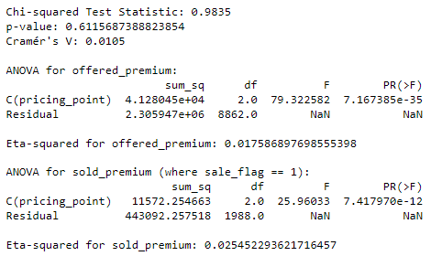 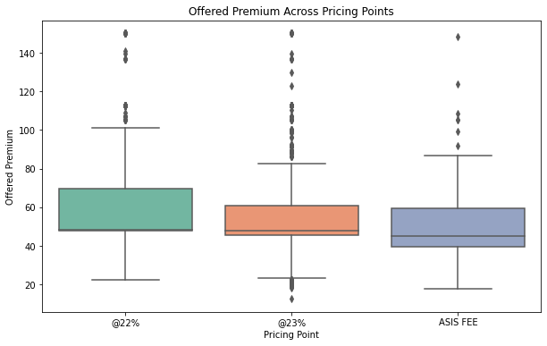 | 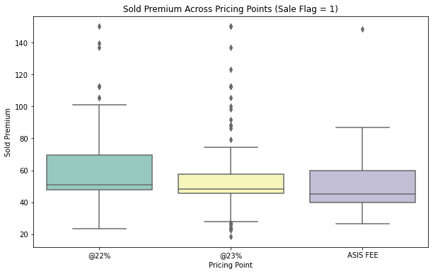
e |  |  | Limitations of ANOVA - is constrained by assumptions of normality and homogeneity of variance and can only test for differences in group means. It also requires post-hoc tests to identify specific group differences and is sensitive to outliers
e.1 | Statistical Test | because of ANOVAs limitations performed Kruskal-Wallis Test which works on ranking /median with epsilon2 for effect size. 1. Perform Kruskal-Wallis test for offered_premium 2. Perform Kruskal-Wallis test for sold_premium (where sale_flag == 1) | 1. Kruskal-Wallis (offered_premium): The p-value is extremely small, indicating a statistically significant difference in the distribution of offered_premium across the pricing strategies. However, the effect size (ε² = 0.0210) suggests a small effect, meaning that while the differences are significant, the practical difference between the pricing strategies is limited. 2. Kruskal-Wallis (sold_premium): The p-value is again extremely small, showing a significant difference in the sold_premium distributions across pricing strategies for successful sales. The effect size (ε² = 0.0300) indicates a small effect, meaning the difference between the strategies is statistically significant but has a modest practical impact. Summary: While the differences in offered_premium and sold_premium are statistically significant, the small effect sizes suggest that the pricing strategies explain only a small portion of the variability in premiums.

2.c Pricing Elasticity
Sl. No. | Title | Actions | Summary | Charts
2.C | Price Elasticity Compare the price elasticity of the strategies in the dataset: Price elasticity Δconversion/Δprice= (((〖% conversion〗_(price point)-〖% conversion〗_(asis )))/〖% conversion〗_(asis ) )/(((〖£ avg premium〗_(price point)-〖£ avg premium〗_(asis )))/〖£ avg premium〗_(asis ) ) Note: this will give you the elasticity of one group versus other, would you be able to calculate the elasticity within a group?
part 1 | Price Elasticity with different groups | created a summary table by grouping the pricing_point and calculated the price elastiity of @22 and @23 against ASIS FEE. | 1. Price Elasticity @22%: The price elasticity is -0.421984. This indicates that for every 1% increase in price, the conversion rate decreases by approximately 0.42%. This shows that demand is relatively inelastic, meaning customers are not highly sensitive to price changes at this pricing point. 2. Price Elasticity @23%: The price elasticity is -0.434734, meaning for a 1% increase in price, the conversion rate decreases by about 0.43%. Similar to @22%, the demand is also relatively inelastic, showing moderate sensitivity to price changes. 3. ASIS FEE: Since this is the baseline strategy, its price elasticity is not calculated. Key Insights: • Both @22% and @23% pricing strategies exhibit inelastic demand. This means that the change in conversion rate is smaller relative to the change in price. • The negative elasticities suggest that, as expected, increasing the price results in a decrease in conversion rates. However, the magnitude of the decrease is not large, indicating that customers are not highly price-sensitive under these strategies. | 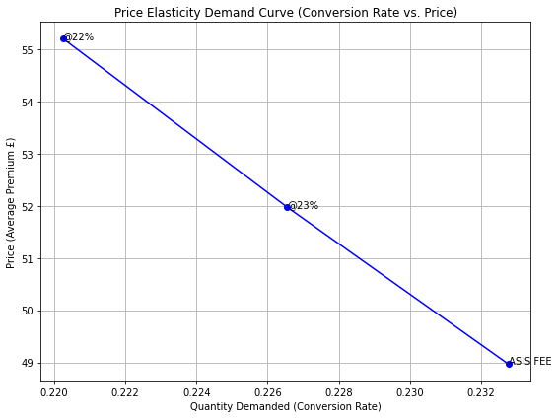
 |  |  | Final Interpretation: The inelastic demand for both pricing strategies suggests that the company can afford to implement small price increases without drastically impacting the conversion rate. This provides flexibility in setting pricing strategies, as moderate price increases might not severely affect sales volume.
part 2 | Price Elasticity within pricing_point groups (would you be able to calculate the elasticity within a group?) | Yes, split the pricing_point (say @22) into subgroups (say 3 groups) based on the offered_premium (low, medium and high) # we can fix the lower one as baseline and find the price elasticity of medium and high with respect to low, which gives us a view within the group how conversion is behaving with price. | # Tried for @22 pricing point its successful, and extended the analysis to the other groups to see how they are. Proceed further for compiled results of price elasticity within the group for all three pricing_points individually.
part 2 |  | Pricing Point: @22% | Medium vs low offered_premium Group: The price elasticity of 1.26 indicates that demand is elastic. For a 1% change in price, the conversion rate changes by approximately 1.26%. This suggests that the medium-priced group is quite sensitive to price changes with respect to low group in terms of conversion. High vs low Premium Group: The price elasticity of 0.21 shows inelastic demand. A 1% change in price results in only a 0.21% change in conversion rate, suggesting the high-priced group is less sensitive to price changes compared to the medium group.
part 2 |  | Pricing Point: @23% | Medium vs low offered_premium Group: The price elasticity of -0.63 indicates inelastic demand, meaning a 1% change in price leads to only a 0.63% change in conversion rate. The negative elasticity suggests that the medium-priced group sees less of a drop in demand compared to the price increase. High vs low Premium Group: The price elasticity of -0.14 is even lower, indicating very inelastic demand. A 1% change in price leads to just a 0.14% change in conversion rate, meaning the high-priced group is not very sensitive to price changes. | 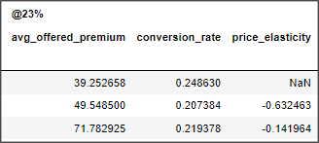
part 2 |  | pricing point: ASIS FEE | Medium vs low offered_premium Group: The price elasticity of 0.04 suggests highly inelastic demand for the medium group. A 1% increase in price results in only a 0.04% change in conversion rate, meaning that customers in this group are very price-insensitive. High vs low Premium Group: The price elasticity of 0.16 indicates inelastic demand, where a 1% change in price results in only a 0.16% change in conversion rate. The high-priced group is less sensitive to price changes. | 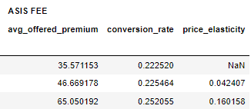
part 2 |  |  | Overall Insights: •Price Elasticity: # @22% has the most elastic demand in the medium group (elasticity = 1.26), meaning the demand is highly sensitive to price changes in this group. # @23% and ASIS FEE show generally inelastic demand across all groups, particularly the high and medium groups, meaning these pricing strategies are less sensitive to changes in price. • Inelastic Demand: # The high-premium groups for all pricing points have inelastic demand, with price elasticities of 0.21 (@22%), -0.14 (@23%), and 0.16 (ASIS FEE). This suggests that customers in the high-premium category are willing to accept higher prices without significantly reducing their conversion rates. • Sensitivity Across Groups: # The medium-premium group under @22% is notably more price-sensitive than the other pricing points, indicating that small price increases may cause larger drops in conversion rates for this group. • Pricing Implications: # The company can afford to increase prices in the high-premium groups without substantially losing conversions, especially under ASIS FEE and @23%. # @22% might require more careful pricing strategy, as the medium group is very sensitive to price increases. | 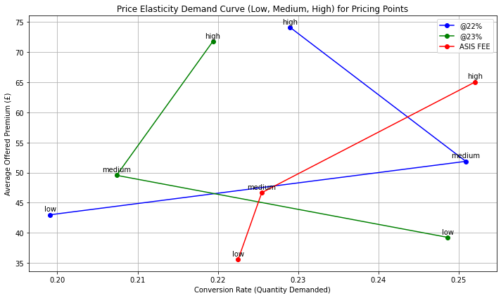
part 2 |  |  | Conclusion: • @22% shows significant price sensitivity in its medium group, while @23% and ASIS FEE demonstrate more stable demand across price changes, especially in the high-premium group. • This suggests different pricing strategies for each point: @22% needs a more conservative approach, whereas ASIS FEE and @23% can tolerate higher price increases with minimal impact on conversion.

2.e Conversion vs Claim
Sl. No. | Title | Actions | Summary | Charts
2.e | 2.E Conversion vs Claims e) Claims frequency and value are provided, is there any direct relationship between conver-sion and claims? a. Would you say these models are biased?
e | Conversion vs claims - is there any direct relationship | correlation analysis | The correlation between sale_flag (actual conversion) and claims count is 0.17 (moderate) , and with claim amount is 0.10 (weeker)
e | claims_count vs conversions | Here is the distribution of claims_count over sale_flag | This chart illustrates the relationship between claims history and sales conversion: # For customers with 0 claims, 80.8% of orders were lost (6,372), while 19.2% were won (1,519). # For customers with 1+ claims, the distribution is more balanced: 51.5% of orders were lost (502), and 48.5% were won (472). This suggests that customers with a history of claims are nearly as likely to convert as they are to not convert, whereas customers with no claims are significantly more likely to result in lost sales. This indicates that a claims history positively influences conversion rates. | 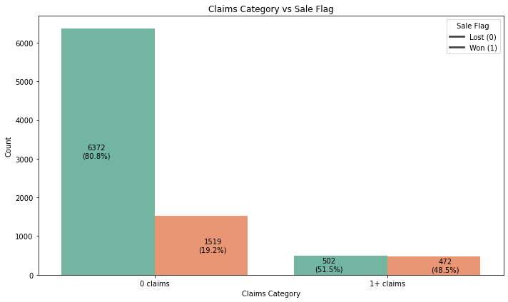
e |  | (Claims_count vs sales_flag) vs pricing_point | Key Insights from claims_count Analysis: # Conversion rates for customers with 0 claims hover around 20% but significantly increase to 50% for customers with 1 claim. # The trend generally continues upward, although there are occasional dips in smaller groups with fewer data points. # Regardless of the pricing strategy (@22%, @23%, and ASIS FEE), conversion rates tend to rise as claims_count increases, indicating that claims_count is a key factor in driving sales conversions.
e | claim_amount vs conversions | (claim_amount vs sales_flag) vs pricing_point | claim_amout vs sale_flag: # At 0 claim_amount, the conversion rate is around 25%, indicating a lower likelihood of sales conversion. Once 0 claim_amount and outliers are removed, the distribution becomes almost 50-50 between sold and lost cases, indicating that for higher claim amounts, there is an increasing trend of sales conversion. This suggests a positive relationship between claim amount and conversions, where higher claim amounts are associated with better chances of conversion. # This pattern aligns with the earlier findings from claims_count, where having a history of claims also improved the likelihood of sales conversion | 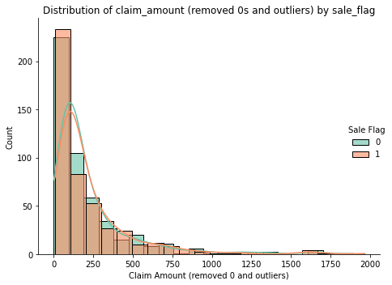 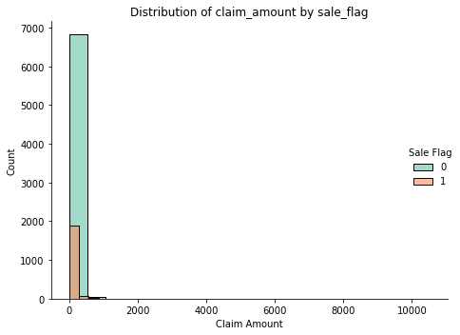
e |  | Summary | Yes, there is a direct relationship between conversion and claims based on both claims frequency and claims value. In conclusion, there is a clear positive relationship between conversion and claims. Customers with a history of claims are more likely to convert than those with no claims, and as claim amounts increase, the conversion rate also tends to improve. Claims frequency and higher claim values both contribute to better sales outcomes.
2.e.a | a. Would you say these models are biased? | claim_amount vs sale_flag vs pricing_point | Claim Amount ≤ 100 Pounds: # Both @22% and @23% strategies perform similarly, with nearly equal won and lost orders. Claim Amount 100-300 Pounds: # @22% strategy performs strongly, winning 800+ orders with very few lost. # @23% strategy struggles, losing ~3,000 orders and winning only ~20. Claim Amount Above 300 Pounds: # @22% continues to outperform, while @23% sees more losses. Conclusion: @22% pricing strategy outperforms @23% for claim amounts beyond 100 pounds. @22% seems more appealing to customers with higher claim amounts, while @23% pricing leads to more lost orders, likely due to being less competitive at these higher claim amounts. This provides clear evidence that @22% pricing is more effective in higher claim amount ranges, making it the better choice when targeting customers with larger claims.
2.e.a |  | Mannual verification of avg_offered_premium price for each group of claims with an hypothesis of higher claims_count the premium_prices might be higher. | Based on the above points, when comparing the average offered premium between customers with and without claims, we would expect that those with more frequent or higher claims would have a higher premium. However, this is not the case. This discrepancy could be due to the influence of other variables such as age, purchase_price, brand, or item. To investigate further, I filtered out two layers by focusing on the largest group of item category and the largest group of brand. The results, shown in the figure on the right, reveal that the average offered premium remains nearly the same (~65 to 69) across all claim counts, indicating that claim history does not significantly impact the offered premium in these groups
2.e.a |  | Summary | Yes, the models show clear evidence of bias. Here's the comprehensive summary: Bias Evidence from Claims Analysis: Conversion rates vary significantly by claims history: No claims: ~20% conversion With claims: ~48.5% conversion (2.5x higher) Pattern consistent across all pricing strategies Higher claim amounts correlate with higher conversions Pricing Strategy Bias: # @22% Model: Performs strongly with high claim amounts Wins 800+ orders in £100-£300 range Potentially underpricing risk # @23% Model: Struggles with high claim amounts Loses ~3,000 orders in £100-£300 range May be overpricing risk # ASIS FEE: Shows limited exposure to high claims More balanced but smaller sample size

